Logical diagram
Logical diagram

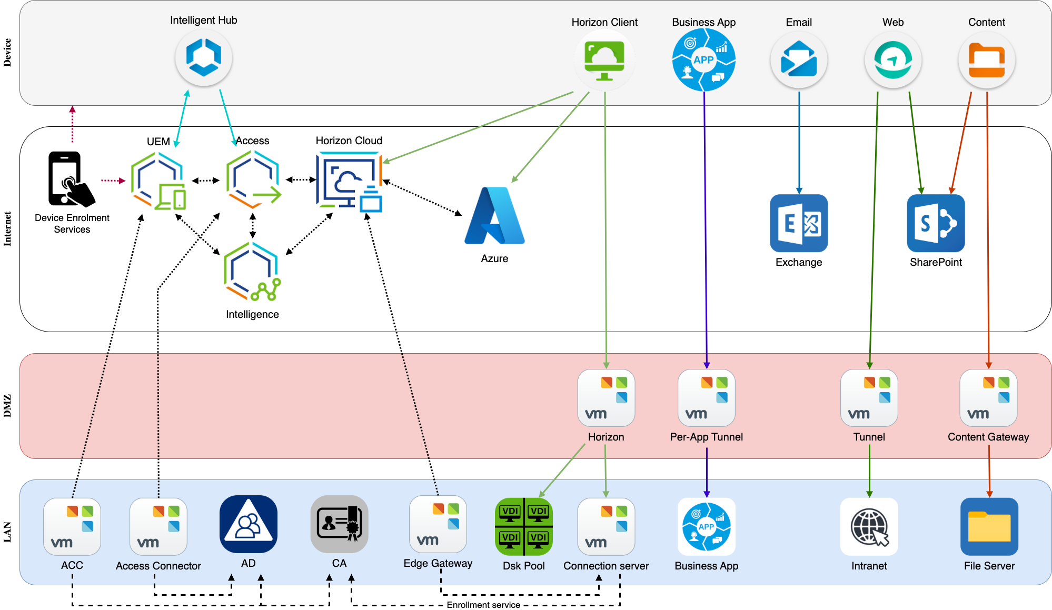

Access Connector
Access Connector
Omnissa Access connector is an on-premises component of Omnissa Access that integrates with your on-premises infrastructure such as Active Directory, RSA SecurID, and Horizon to provide directory integration, user authentication, and virtual apps integration.
Reference architecture: | https://techzone.omnissa.com/resource/workspace-one-access-architecture#workspace-one-access-connector

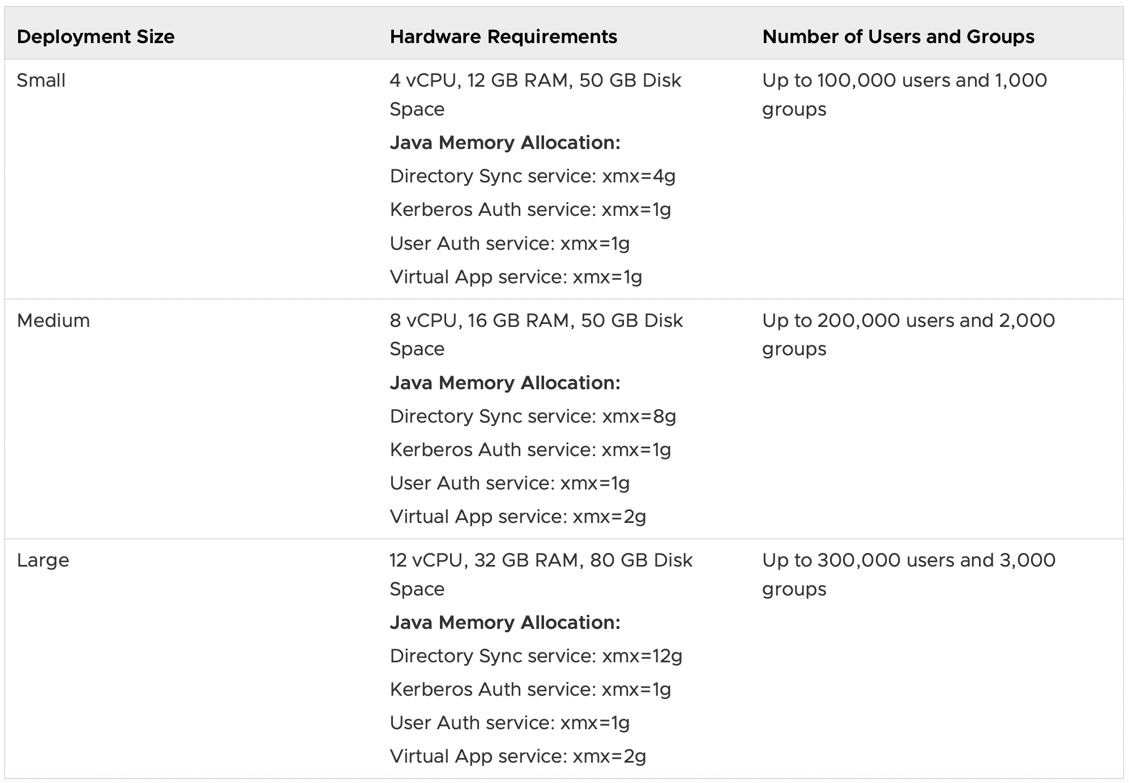
Requirements |  | Notes |  | Status
Connector Server
Hardware |  |  |  | Pending
CPU | 4 CPU cores | https://docs.omnissa.com/bundle/ws1_access_connector_installV24.12/page/WorkspaceONEAccessConnectorSystemsRequirements.html
Memory | 12 GB
Disk | 50 GB
Software
Operating System | Windows Server 2022
Other | .NET Framework 4.8+
 | PowerShell
 | Citrix Studio (Citrix PowerShell SDK) | Only required if you plan to integrate Citrix Virtual Apps and Desktops
 | Notepad++
Other
Install the server in your LAN
Join the server to the domain
Connector server info
Hostname |  | If multiple servers are required, use comma separated format
IP Address |  | If multiple servers are required, use comma separated format
Netmask
Gateway
DNS 1
DNS 2
Local Admin username
Add created user as a local Administrator |  | Local Administrators group
Connector outbound proxy
Proxy Server FQDN |  | Complete if you require outbound connection to go through your proxy
Proxy Port
Create SSL/TLS inspection appliance bypass exceptions
Service account username |  | Complete if authentication with your Proxy server is required.
High Availability (HA)
Multiple servers are required if you want to set up high availability for any of the services. A load balancer will be required if you want to configure high availability for Kerberos authentication.
Install
Download the Access Connector installer |  | https://customerconnect.omnissa.com/downloads/#all_products |  | Pending
Install the Access Connector

Services Details
Active Directory integration
Internal Domain Name |  | Provide FQDN |  | Pending
NetBIOS Domain Name
Users base DN
Groups base DN
Domain Controller FQDN
Domain Controller IP
Service account username |  | Domain Users service account, to perform LDAP lookup
Kerberos Auth
Kerberos FQDN |  |  |  | Pending
REALM
Service account username |  | Domain Users service account for Kerberos auth
Generate a trusted SSL certificate |  | PEM or PFX format
Virtual app
Horizon Connection server FQDN |  |  |  | Pending
Horizon Connection server IP
Service account username |  | Domain Users service account for Virtual app
Export your Horizon certificate chain |  | Required if your Horizon servers have self-signed certificates
Syslog
Hostname |  |  |  | Pending
IP Address
Port

Network Requirements |  |  |  |  |  |  |  | Notes | Status
Source |  |  | Destination |  |  |  |  |  | Pending
Component | Hostname | IP | Service | Hostname | IP | Protocol | Port
Inbound Rules
Devices (Internet & Wi-Fi) |  |  | Connector | 0 | 0 | HTTPs | 443 | Required for Kerberos Auth service
Outbound Rules
Connector | 0 | 0 | Access console | access.workspaceone.com.au | SaaS IP ranges (see 'WS1' tab) | HTTPs | 443
Internal Rules
Connector | 0 | 0 | Active Directory (AD) | 0 | 0 | LDAP(s) | 389, 636, 3268, or 3269 | Applies to Directory Sync service. Also applies to User Auth service if password authentication is used.
Connector | 0 | 0 | Active Directory (AD) | 0 | 0 | TCP, UDP | 88, 464, 135, 445 | Applies to Directory Sync service and Kerberos Auth service
Connector | 0 | 0 | Syslog | 0 | 0 | UDP | 0
Connector | 0 | 0 | RSA SecurID server |  |  | TCP | 5555
Connector | 0 | 0 | Horizon Connection server | 0 | 0 | HTTP(s) | 443

UAG
Unified Access Gateway (UAG)
UAG is an appliance that is normally installed in a demilitarised zone (DMZ). It is used to ensure that the only traffic entering the corporate data centre is traffic on behalf of a strongly authenticated remote user. UAG directs authentication requests to the appropriate server and discards any unauthenticated request. Users can access only the resources that they are authorised to access.
Reference architecture: | https://techzone.omnissa.com/resource/unified-access-gateway-architecture

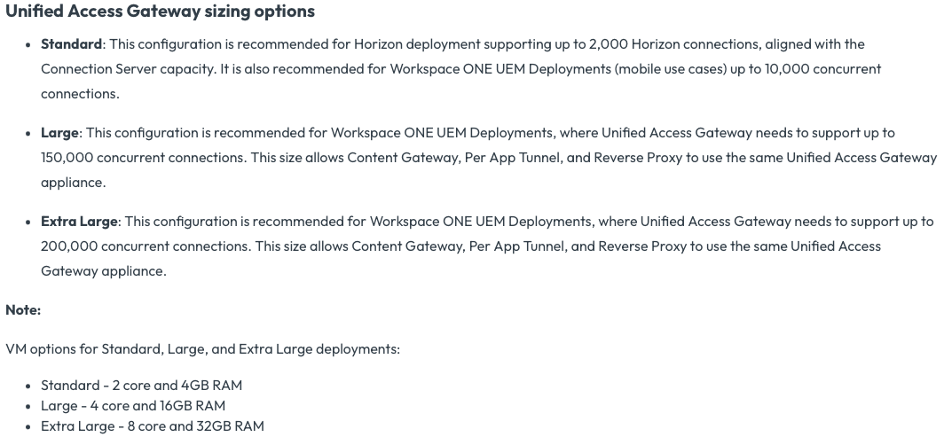
Requirements |  | Notes |  | Status
UAG appliance
Hardware |  |  |  | Pending
Type | Appliance | https://docs.omnissa.com/bundle/UnifiedAccessGatewayDeployandConfigureV2312/page/Systemandnetworkrequirements.html
CPU | 2 CPU Core (2.0+ GHz)
Memory | 4 GB
Disk | 20 GB
UAG appliance info
Hostname |  | If multiple appliances are required, use comma separated format
IP Address |  | If multiple appliances are required, use comma separated format
Netmask
Gateway
DNS 1
DNS 2
Define Root password
Define Admin password
Outbound proxy
Proxy server FQDN |  | Complete if you require UAG outbound connection to go through your proxy
Proxy port
Service account username |  | Complete if authentication with your Proxy server is required.
High Availability (HA)
Load balancer manufacturer
Active Servers |  | IP based affinity: Recommended if you are using Certificate authentication and there is no proxy or other component in front of the load balancer that would change the source IP from the original device. Pass-through: No SSL inspection
Passive Servers
SSL Offloading | No
Configure UAG health monitoring on your load balancer |  | Periodically send an HTTPS GET /favicon.ico request. For example, https://uag1.domain.com/favicon.ico. Expect a "HTTP/1.1 200 OK" response from UAG.
API account
API Server URL | as1016.awmdm.com
Create an API admin user in your UEM console
API username
Install
Download the UAG appliance |  | https://customerconnect.omnissa.com/downloads/#all_products |  | Pending
Deploy the UAG appliance in your DMZ |  | Deploy the OVF template using the vSphere Client

Services Details
Tunnel
Tunnel is a modern VPN replacement providing full device and per application modes to enable remote access to any type of user. Unified Access Gateway appliance serves as the on-premises option for Zero Trust Network Access (ZTNA) leveraging the Workspace ONE Tunnel app.
Tunnel FQDN |  | This URL will be used for Proxy, VPN, etc (ie. tunnel.yourdomain.com). |  | Pending
Tunnel public IP
Create an external DNS record
Create an internal DNS record |  | Should match external DNS
Internal web server FQDN |  | If multiple servers, use comma separated format
Internal web server IP address |  | If multiple servers, use comma separated format
Domains/URLs requiring tunnelling |  | Website's URLs. Wildcard domains can be used.
Secure Email Gateway (SEG)
SEG proxy all email traffic going to devices and reside in front of your corporate email server. Based on the settings defined in the admin console, the SEG takes allow or block decisions for every mobile device it manages.
SEG FQDN |  | This URL will be used for ActiveSync (ie. seg.yourdomain.com). |  | Pending
SEG public IP
Create an external DNS record
Create an internal DNS record |  | Should match external DNS
Mail server FQDN
Mail server IP address |  | Internal IP Address
Content Gateway
Content Gateway provides a secure and effective medium for end users to access internal repositories. Your end users can remotely access their documentation, financial documents, board books, and more directly from content repositories or internal fileshares.
Content Gateway FQDN |  | This URL will be used for Content (ie. content.yourdomain.com). |  | Pending
Content Gateway public IP
Create an external DNS record
Create an internal DNS record |  | Should match external DNS
File server FQDN
File server IP address
Network share path |  | UNC path
SharePoint FQDN
SharePoint IP address
SharePoint library |  | Document library URL
Horizon
Secure access to Horizon virtual desktops and applications from the internet.
Horizon FQDN |  | This URL will be used for Horizon (ie. vdi.yourdomain.com). |  | Pending
Horizon public IP
Create an external DNS record
Create an internal DNS record |  | Should match external DNS
Connection server FQDN
Connection server IP address |  | Internal IP Address
Desktops and RDSHs subnet
SSL Certificate
Purchase a trusted SSL certificate |  | The externally available URL of the UAG appliance must be setup with a trusted SSL certificate. Note that each service can have its own certificate, or a wildcard certificate can be used. |  | Pending
Provider name
Common name
Expiry date
Convert the certificate to PEM format |  | Should include the certificate chain and the private key.

Network Requirements |  |  |  |  |  |  |  | Notes | Status
Source |  |  | Destination |  |  |  |  |  | Pending
Component | Hostname | IP | Service | Hostname | IP | Protocol | Port
Inbound Rules
Devices (Internet & Wi-Fi) |  |  | UAG | 0 | 0 | TCP | 8443 | Tunnel
Devices (Internet & Wi-Fi) |  |  | UAG | 0 | 0 | TCP | 443 | Web Reverse Proxy
Devices (Internet & Wi-Fi) |  |  | UAG | 0 | 0 | TCP/UDP | 443, 8443 | Horizon
Devices (Internet & Wi-Fi) |  |  | UAG | 0 | 0 | HTTPs | 443 | SEG
Email Notification Service |  |  | UAG | 0 | 0 | HTTPs | 443 | SEG
UEM console | cn1016.awmdm.com | SaaS IP ranges (see 'WS1' tab) | UAG | 0 | 0 | HTTPs | 443
Device Services | ds1016.awmdm.com | SaaS IP ranges (see 'WS1' tab) | UAG | 0 | 0 | HTTPs | 443
Outbound Rules
UAG | 0 | 0 | Cloud Messaging (AWCM) | awcm1016.awmdm.com | SaaS IP ranges (see 'WS1' tab) | HTTPs | 443
UAG | 0 | 0 | REST API | as1016.awmdm.com | SaaS IP ranges (see 'WS1' tab) | HTTPs | 443
Internal Rules
LAN |  |  | UAG | 0 | 0 | HTTPs | 9443 | Management interface
LAN |  |  | UAG | 0 | 0 | SSH | 22 | UAG shell access for troubleshooting
...

